P&L
VA Total Revenues
Revenue Meals | $2,152,558
Revenue Handling | $1,103,370
Revenue Overheads | $476,580
Revenue Other
Discount | $-
 |  |  |  |  |  |  |  |  |  |  | 13 | Flights Per Week
 |  |  |  |  |  |  |  |  |  |  | 676 | Flights Per Year
 |  |  |  |  |  |  |  |  |  |  | 80% | Load
Description | Virgin Atlantic |  |  |  |  |  |  |  |  |  | 2 | Cycle
 | $ | % |  |  |  |  |  |  |  |  | 0% | Discount
Revenue Meals | $2,152,558 | 58%
Revenue Handling | $1,103,370 | 30% |  |  |  |  |  |  |  |  | 22% | Mark up on Food
Revenue Overheads | $476,580 | 13% | $705 PER FLIGHT OVERHEAD CHARGE |  |  |  |  |  |  |  | 20% | Mark up on Food Labor
Revenue Other |  | 0% |  |  |  |  |  |  |  |  | 13% | Mark up on Handling
VA Rev. Per Flight
FC | $-
BC | $835
PY | $660
EY | $1,586
TC | $-
CY | $103
Total
Hnd | $1,632
Discount | $- | 0%
Net Revenue | $3,732,508 | 100% | $311,042.34
Food Cost | $1,176,804 | 31.5% |  |  |  |  |  |  |  |  | VA ATL TOTAL HANDLING
Other product cost | $- | 0% |  |  |  |  |  |  |  |  | $1,576 | A330
Total Direct Materials | $1,176,804 | 32% |  |  |  |  |  |  |  |  | $1,933 | A350
Direct Labor - Wages | $1,322,392 | 35.4% |  |  |  |  |  |  |  |  | $1,529 | 787
Direct Labor - OT Premium | $- | 0%
Direct Labor - Benefit Cost | $270,851 | 7.3% | 0.20481927711
Direct Labor - Other | $- | 0% |  |  |  |  |  |  |  |  | VA ATL TRANSPORT
Direct Management Labor Cost | $- | 0% |  |  |  |  |  |  |  |  | $313 | A330 TURNAROUND
Total Direct Labor | $1,593,243 | 43% | $489,873 |  |  |  |  |  |  |  | $363 | A350 TURNAROUND
Gross Profit Margin (CM1) | $962,461 | 25.79% |  |  |  |  |  |  |  |  | $313 | 787 TURNAROUND
 |  |  |  | VA ATL Avg. Revenue Per Flight |  |  |  | $5,521 |  | 5698
Indirect Management Labor Cost | $80,500 | 2% | extra management? | Avg. Price Per Pax |  |  |  |  |  |  | VA ATL INTERNATIONAL GARBAGE
Indirect Hourly Labor Cost | $- | 0% |  | FC | BC | PY | EY | TC | CY |  | $339 | A330
Total Indirect Labor | $80,500 | 2% |  | $- | $32.13 | $17.83 | $10.37 | $- | $20.63 |  | $395 | A350
Operating Expense-Variable | $84,000 | 2% | Utility |  | $34.40 | $23.80 | $12.42 | $- | $36.12 |  | $339 | 787
Operating Expense-Fixed | $66,667 | 2% | ??? Freezer and Cooler | Overhead
Other OPEX Cost | $150,667 | 4% |  | FC | BC | PY | YC | TC | CC |  | VA ATL WASH UP
EBITDA | $731,294 | 19.59% | 60,941 | $0.00 | $0.00 | $0.00 | $0.00 | $0.00 | $0.00 |  | $704 | A330
 | $60,941.18 |  | 330000 | 3960000 |  |  |  |  |  |  | $878 | A350
Note - On the P&L we can update the Flights per week, AC type, Load Factor, Cycle & Mark up's |  |  |  |  |  |  |  |  |  |  | $653 | 787

 | Overhead =(2/3)*(property tax+utility) |  |  |  |  |  |  |  |  |  | VA ATL PACKING
 |  |  |  |  |  |  |  |  |  |  | $219 | A330
customer service account manager |  |  |  |  |  |  |  |  |  |  | $296 | A350
culinary operation duty manager |  |  |  |  |  |  |  |  |  |  | $224 | 787
hourly invoice assisant
ramp duty manager

CONTRACTORS
EXTERIOR SIGNAGE
MULTITEMP FREEZERS
DISHWASHER RETAL (YEARLY)
PERMITTING
RENT/LEASE (YEARLY)
TRUCK (2 TRUCKS)
EQUIPMENT AND UTILITY (5 YEARS)

SPML
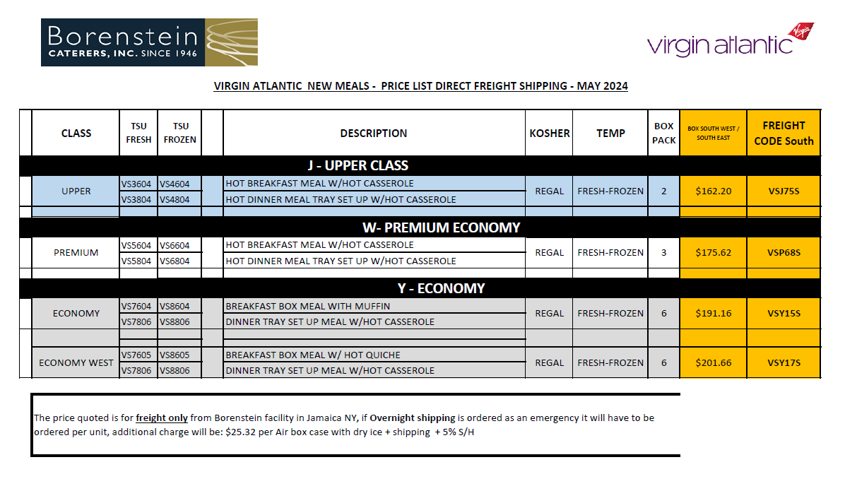

 |  |  | 1ST SERVICE | 2D SERVICE
BC | 81 | 93.15 | $60.55 | $32.60
PY | 58.54 | 70.248 | $45.66 | $24.59
YC | 33.61 | 40.332 | $26.22 | $14.12

